Sheet1
PACK_PALT'S test report
Stt | Function | Picture | Status | Notes
1 | Login | 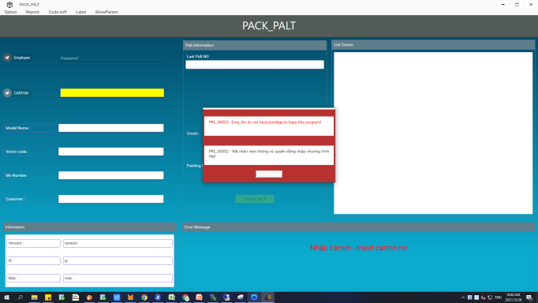 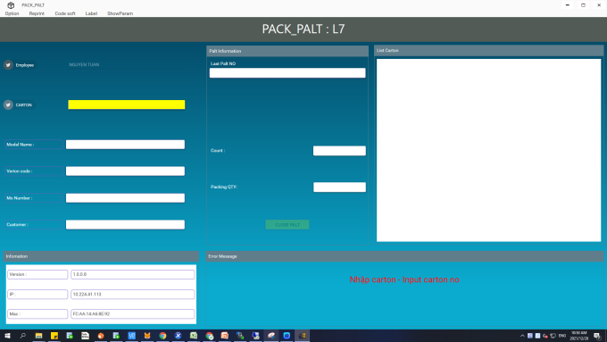 | Done
2 | Select Line | 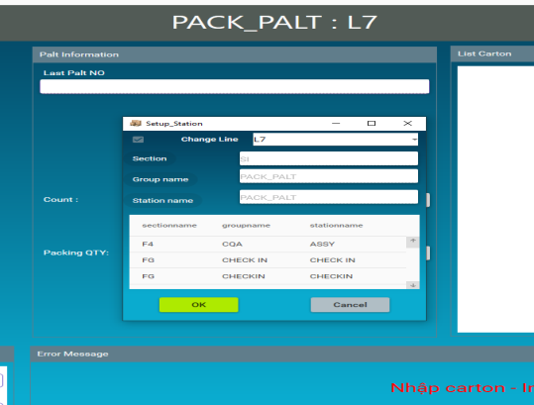 | Done
3 | Scan carton | 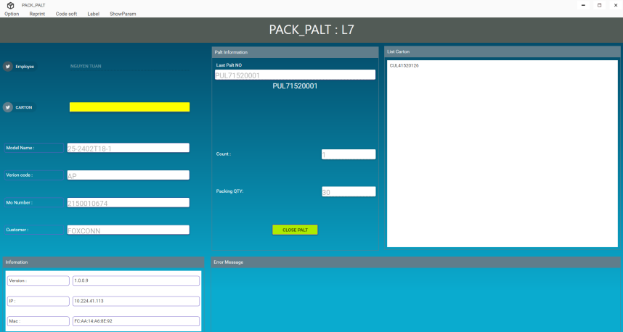 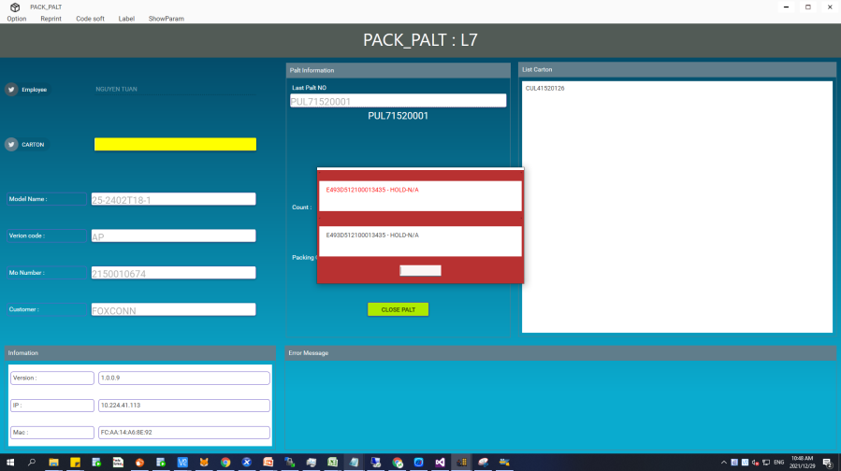 | Done
4 | Label Qty | 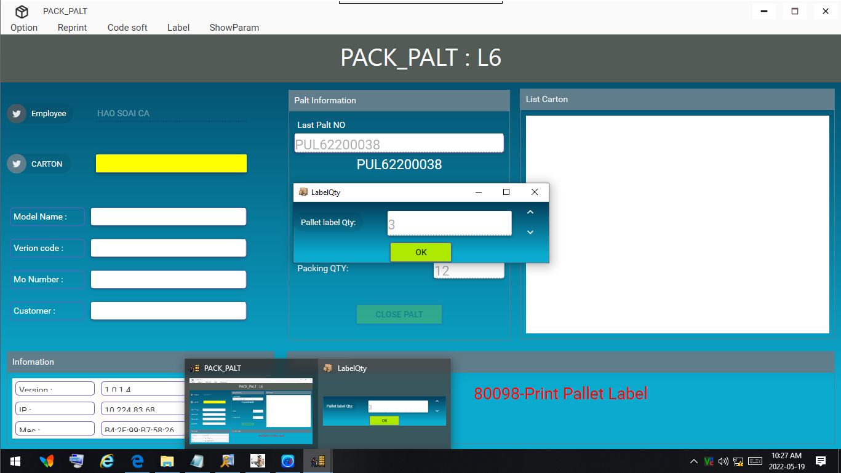 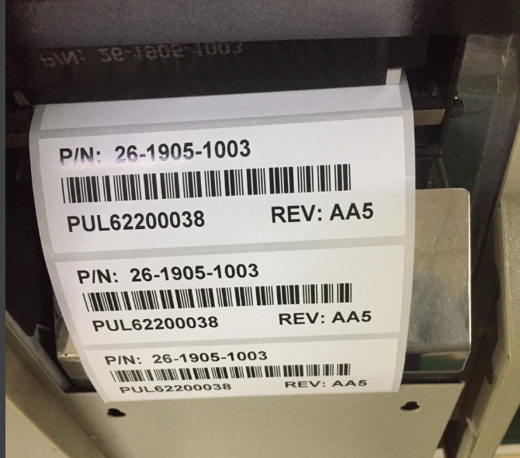 | Done
5 | 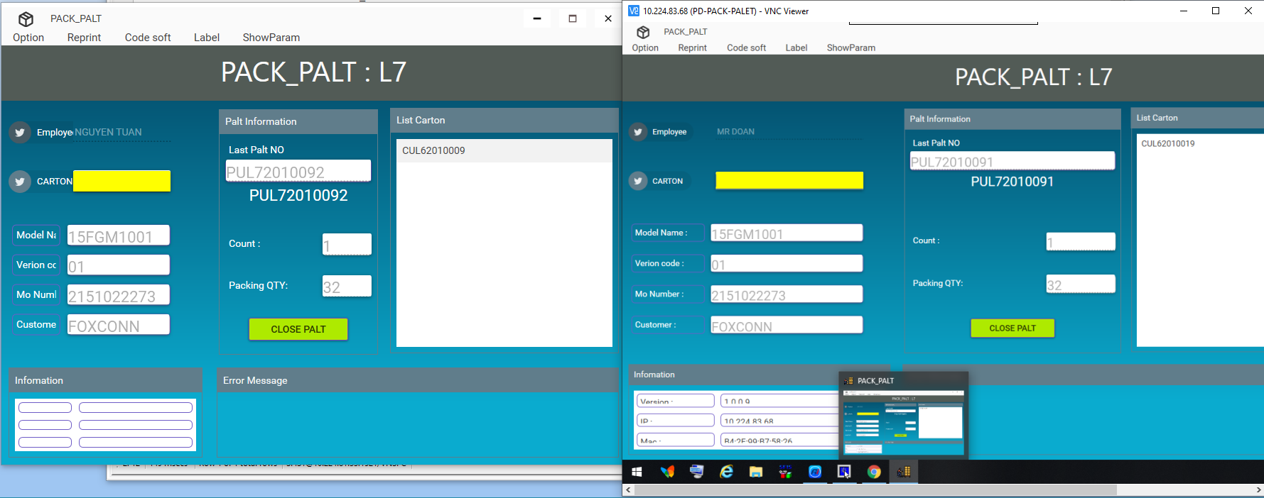 Scan 2 computers have the same Line name | 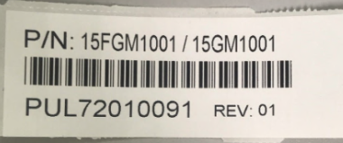 | Done | PUL72010091 PUL72010092
6 | Scan 2 computers have the difference Line name | 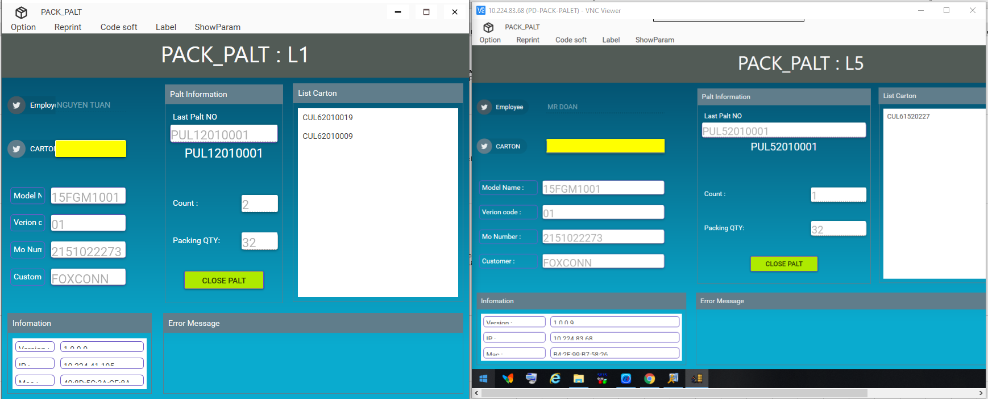  | Done | PUL12010001 PUL52010001
7 | Không lấy được file label hàng P02H003.01 | 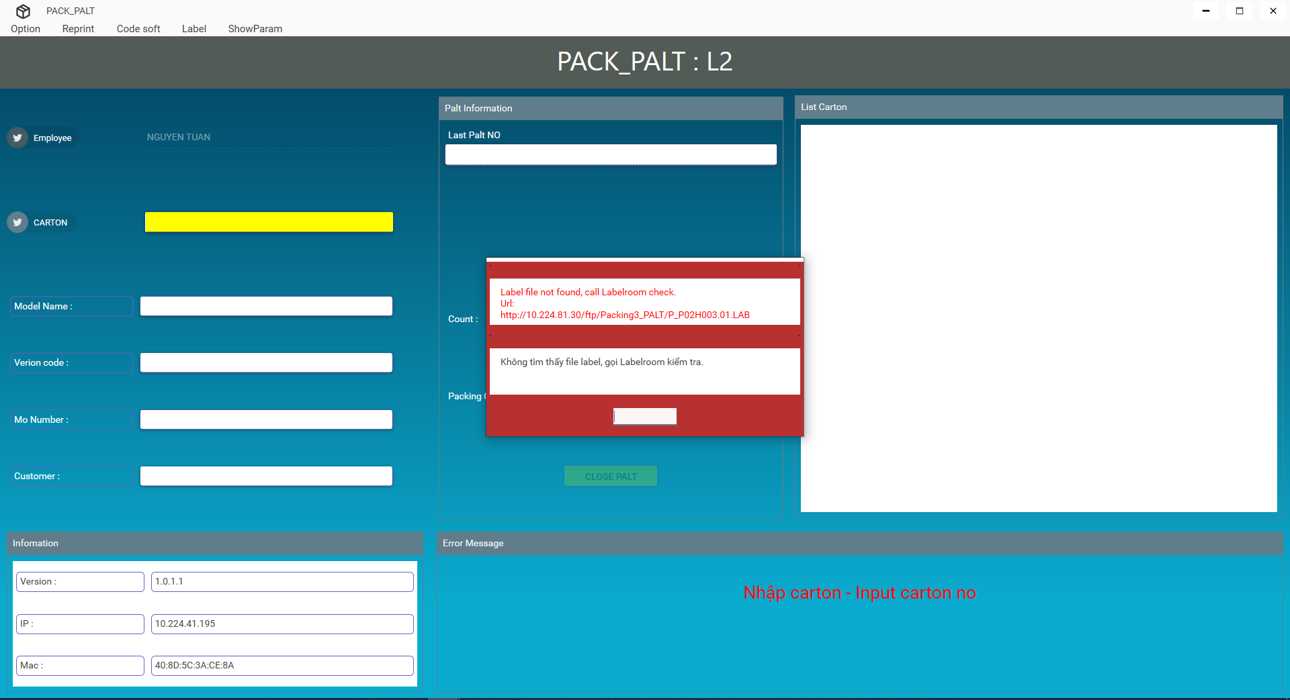 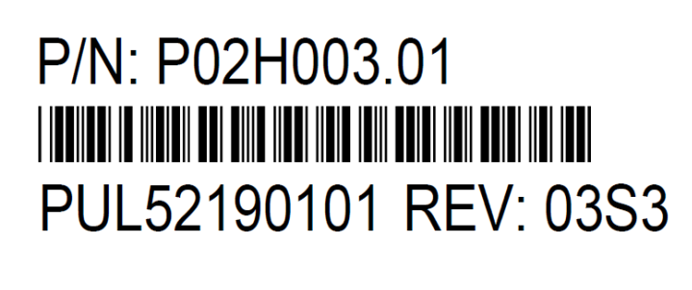 | Done
8 | reprint + label Qty | 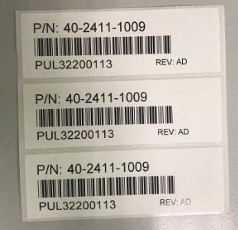 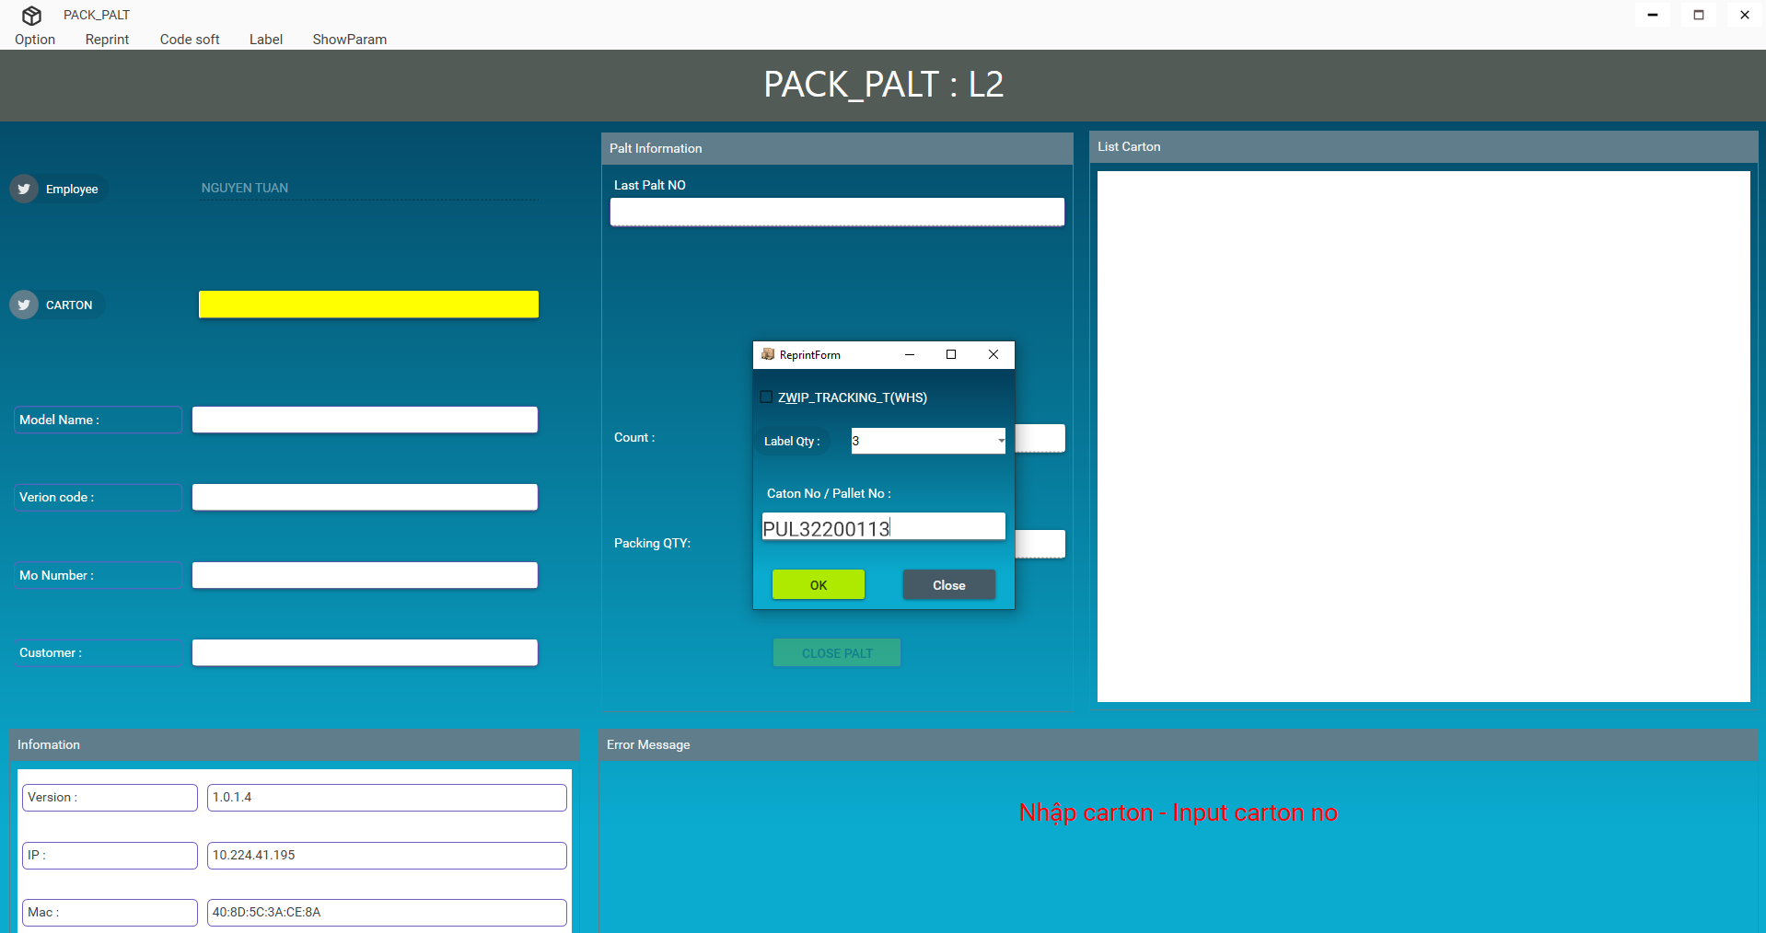 | Done
9 | Compare Label tracking and label room' file | 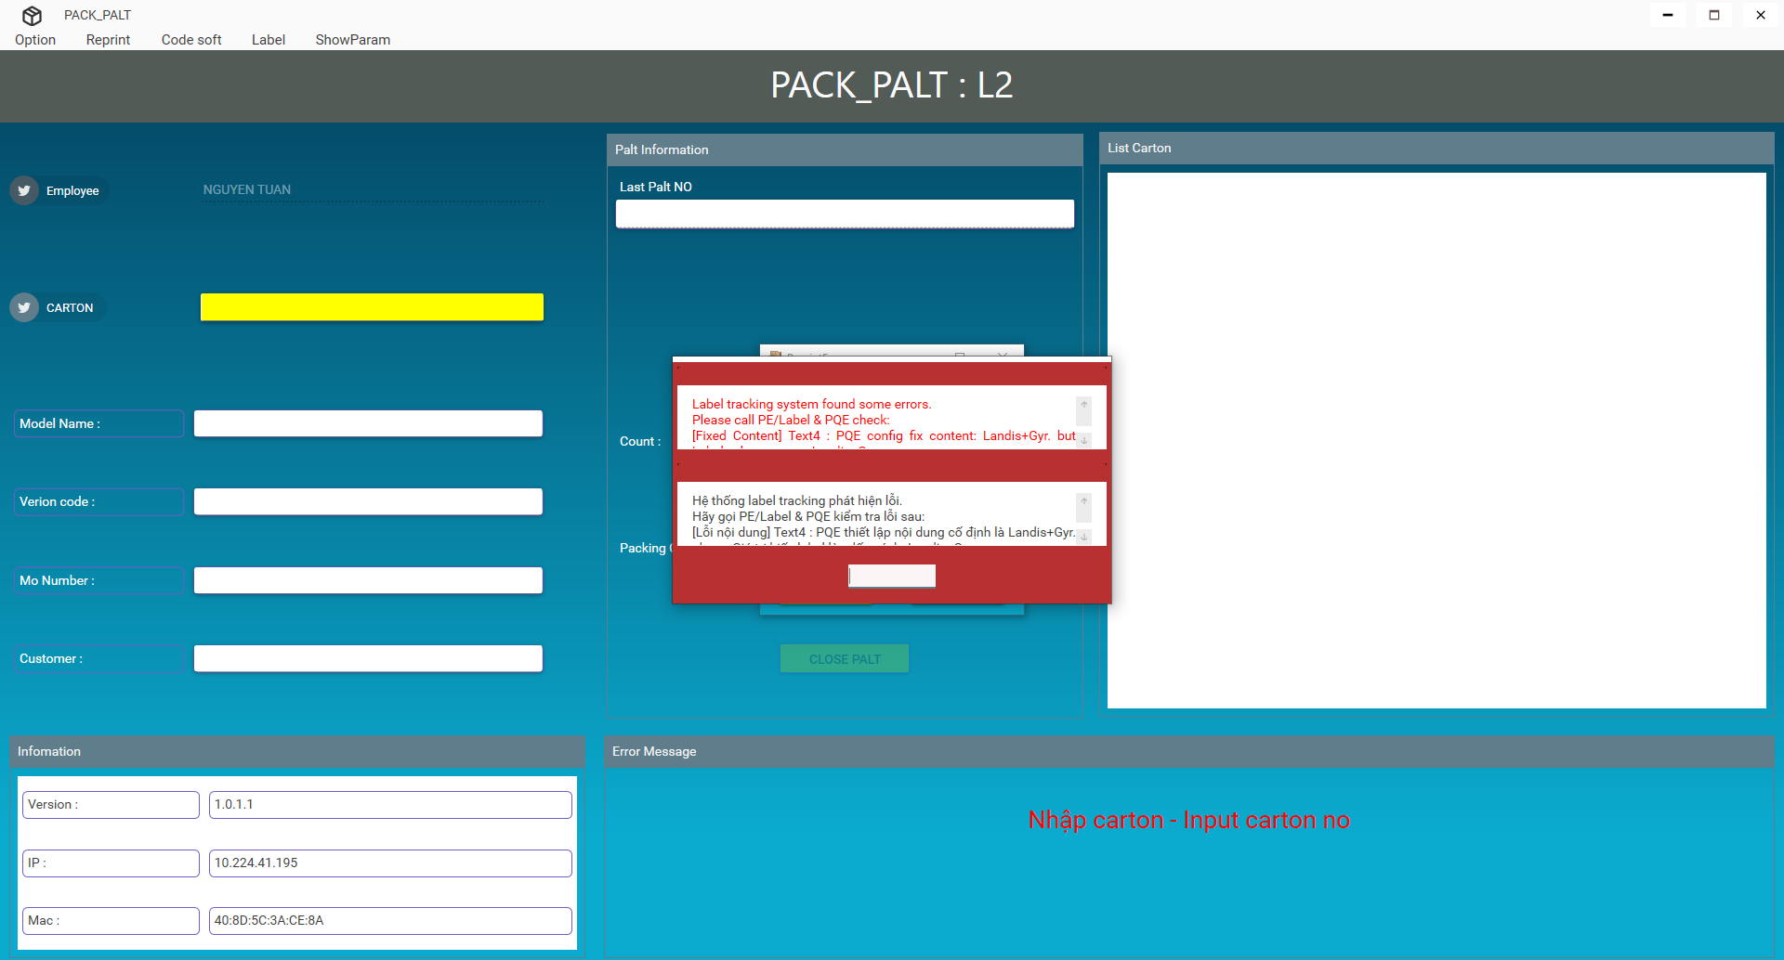 | Done
10 | Visible label | 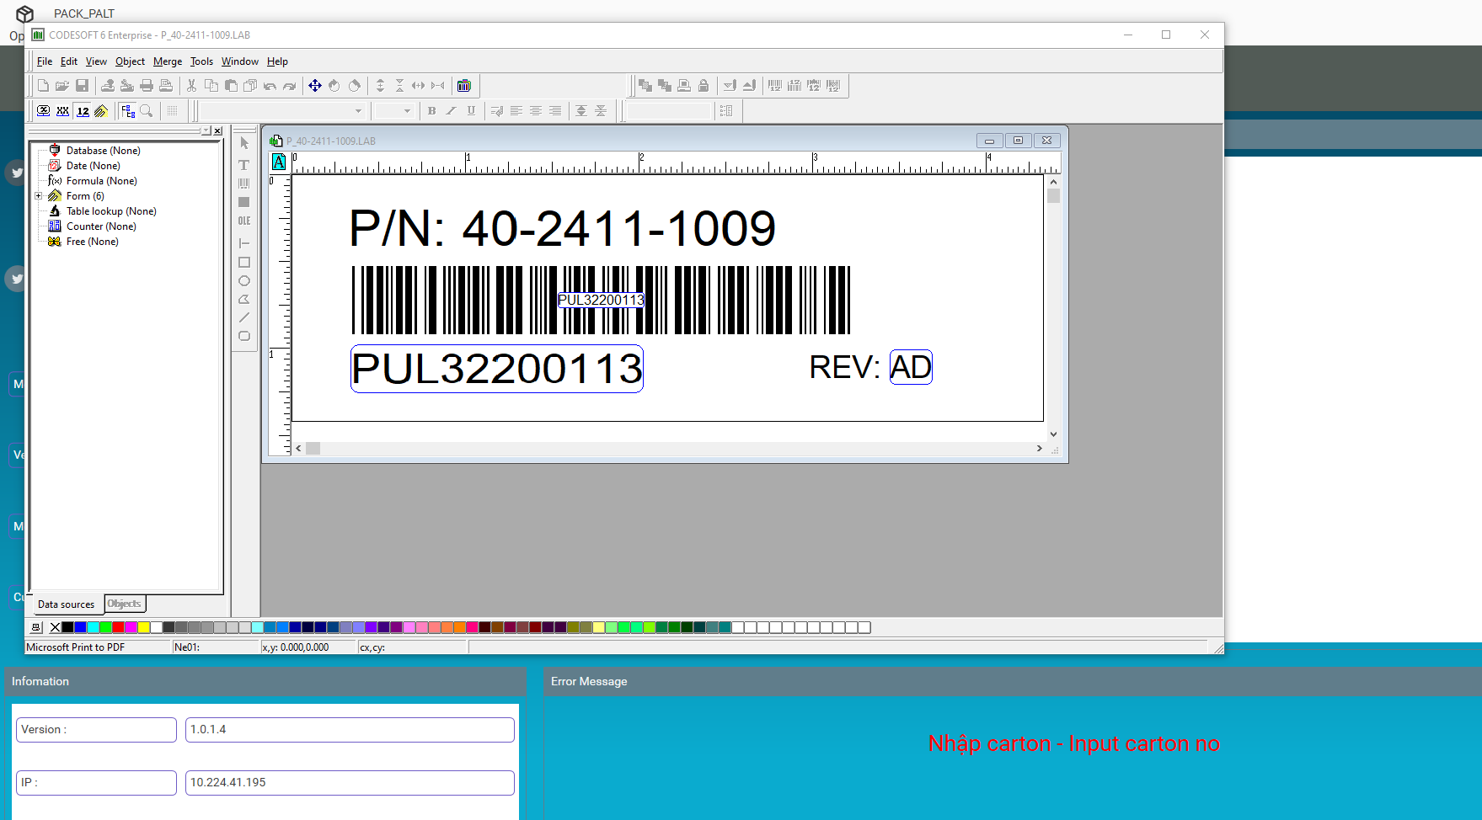 | Done
11 | Show param | 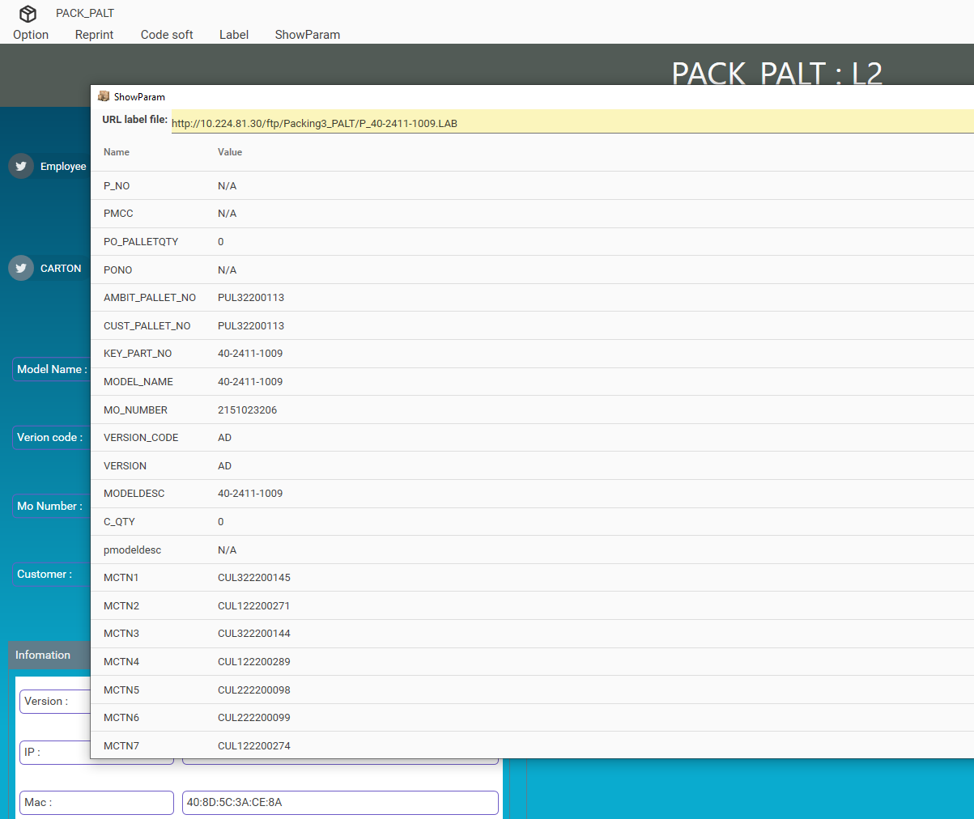 | Done

